1. Title Page
Project Name: Instacart Basket Analysis
Date: 6/27/2023
Analyst Name: Andrew Ingrassia

Contents:
Population Flow
Consistency checks
Wrangling steps
Column derivations
Visualizations
Recommendations

Data Citation:
“The Instacart Online Grocery Shopping Dataset 2017”
Accessed from www.instacart.com/datasets/grocery-shopping-2017 via Kaggle

2. Population Flow
Title page

Population flow

Exclusion flag
Condition: max_order < 5
Obervations to be removed: 1440295
Final total count of order_products_all: 30964564

Orders_products_combined
Orders_products_merged
Orders_products_all

Total: 32,404,859
Total: 32,434,489
Total: 32,404,859

1.) The grey boxes in the first row of the population flow represent the original data sets as they were when you downloaded them. In the Total fields you need to add the count of the rows when you imported the data set into Jupyter.
2.) The second row of boxes (coloured) represents the data sets after you manipulated them, e.g., removed missing values and duplicates. In the Total fields you need to add the count of the rows after conducting these operations. This offers a visual oveview of how the data flows throughout the data consistency checks.
3.) The third row, where also the arrows are coloured, represents the merges you performed between the datasets. In the Total fields you need to add the count of the rows in the merged datasets, so that you end up with the final dataset (in the red box). Keep in mind the final dataset should be without exclusions (based on the exclusion flag).

3. Consistency checks
 |  |  |  | Title page
Consistency checks

Dataset | Missing values | Missing values treatment | Duplicates
orders | 206,209 | No treatment needed | 0
products | 16 | Missing values dropped | 5 (removed)
orders_products_prior | 0 | N/A | 0
customers | 0 | N/A | 0

4. Wrangling steps
 |  |  |  | Title page
Wrangling steps

Columns dropped | Columns renamed | Columns' type changed | Comment/Reason
eval_set | - | - | Contained irrelevant data
- | order_dow | - | Changed to 'orders_day_of_week' for clarity
- | - | order_id | Changed from integer to string to exclude its contents from the '.describe()' function
- | First Name | - | Changed to 'first_name' for consistency
- | Surname | - | Changed to 'last_name' for consistency/clarity
- | Gender | - | Changed to 'gender' for consistency
- | STATE | - | Changed to 'state' for consistency
- | Age | - | Changed to 'age' for consistency
- | n_dependants | - | Changed to 'num_dependents' for clarity and spelling
Unnamed: 0_x | - | - | Unneeded column
Unnamed: 0_y | - | - | Unneeded column
- | - | order_id | Changed to 'int32' to reducce RAM usage
- | - | user_id | Changed to 'int32' to reducce RAM usage
- | - | order_number | Changed to 'int8' to reduce RAM usage
- | - | orders_day_of_week | Changed to 'int8' to reduce RAM usage
- | - | order_hour_of_day | Changed to 'int8' to reduce RAM usage
- | - | days_since_prior_order | Changed to 'float16' to reduce RAM usage
- | - | product_id | Changed to 'int32' to reducce RAM usage
- | - | reordered | Changed to 'int8' to reduce RAM usage
- | - | add_to_cart_order | Changed to 'int32' to reducce RAM usage
- | - | order_id | Changed to 'int32' to reducce RAM usage
- | - | aisle_id | Changed to 'int8' to reduce RAM usage
- | - | department_id | Changed to 'int8' to reduce RAM usage
- | - | prices | Changed to 'float16' to reduce RAM usage
- | - | max_order | Changed to 'int8' to reduce RAM usage
- | - | average_price | Changed to 'float16' to reduce RAM usage
- | - | median_order_frequency | Changed to 'float16' to reduce RAM usage
- | - | age | Changed to 'int8' to reduce RAM usage
- | - | num_dependents | Changed to 'int8' to reduce RAM usage
- | - | income | Changed to 'int32' to reducce RAM usage
first_name | - | - | Removed for PII concerns
last_name | - | - | Removed for PII concerns
_merge | - | - | Unneeded column

5. Column derivations
 |  |  |  |  | Title page

Column derivations and aggregations

In this tab you should add tables below that the frequences of flags/label variables that you produced after deriving them. NB: don't do this for continuous variables, only for flags.
Dataset | New column | Column/s it was derived from | Conditions | Frequency
ords_prods_merged | "price_range_loc" | "prices" | prices <= 5: "Low-range product" | 10,126,321
 |  |  | 5 < prices <= 15: "Mid-range product" | 21,860,860
 |  |  | prices > 15: "High-range product" | 417,678

ords_prods_merged | "busiest_day" | "orders_day_of_week" | if value == 0: "Busiest day" | 6,204,182
 |  |  | elif value == 4: "Least busy" | 3,783,802
 |  |  | else: "Regularly busy" | 22,416,875

ords_prods_merged | "busiest_days" | "orders_day_of_week" | if day 0 or 1 (Sat. or Sun.), "Most busy" | 11,864,412
 |  |  | if day 3 or 4 (Wed. or Thurs.), "Least busy" | 7,624,336
 |  |  | else: "Moderately busy" | 12,916,111

ords_prods_merged | "busiest period of day" | "order_hour_of_day" | 9am-4pm: "Most orders" | 21,118,071
 |  |  | 11pm-6am: "Fewest orders" | 1,289,137
 |  |  | else: "Average orders" | 9,997,651

ords_prods_merged | "max_order" | "order_number" | display maximum number of orders each customer has made

ords_prods_merged | "loyalty_flag" | "max_order" | max_order > 40: "Loyal customer" | 10,284,093
 |  |  | 10 < max_order <= 40: "Regular customer" | 15,876,776
 |  |  | max_order <= 10: "New customer" | 6,243,990

ords_prods_merged | "average_price" | "prices" | display mean price of items purchased by each user

ords_prods_merged | "spending_category" | "average_price" | avg_price_order < 10: "Low spender" | 31,770,742
 |  |  | avg_price_order >= 10: "High spender" | 634,117

ords_prods_merged | "median_order_frequency" | "days_since_prior_order" | display the median number of days between orders for each user

ords_prods_merged | "order_frequency" | "median_order_frequency" | median > 20: "Non-frequent customer" | 3,636,437
 |  |  | 10 < median <= 20: "Regular customer" | 7,208,564
 |  |  | median <= 10: "Frequent customer" | 21,559,853

instacart_df | "Region" | "State" | "Midwest" | 7,597,325
 |  |  | "Northeast" | 5,722,736
 |  |  | "South" | 10,791,885
 |  |  | "West" | 8,292,913

instacart_df | "customer_activity" | "max_order" | max_order < 5: "Low" | 1,440,295
 |  |  | max_order >= 5: "High" | 30,964,564

instacart_df | "age_category" | "age" | age <= 35: "Young" | 13,682,265
 |  |  | 35 < age < 56: "Middle-Age" | 8,627,655
 |  |  | age >= 56: "Senior" | 10,094,939

instacart_df | "income_category" | "income" | income < 35000: "Low-Income" | 960,712
 |  |  | 35000 <= income <= 100000: "Mid-Income" | 16,629,945
 |  |  | income > 100000: "High-income" | 14,814,202

instacart_df | "dependent_status" | "num_dependents" | num_dependents == 0: "No" | 8,097,503
 |  |  | num_dependents != 0: "Yes" | 24,307,356

6. Visualizations
 |  |  | Title page

Visualisations

In this tab you should include all the visualtions from Exercises 4.9 and 4.10, alongside the questions from the project brief that they answer. Include any commentary on the relationship between different variables.

1. What are the busiest days of the week and the busiest hours of the day?

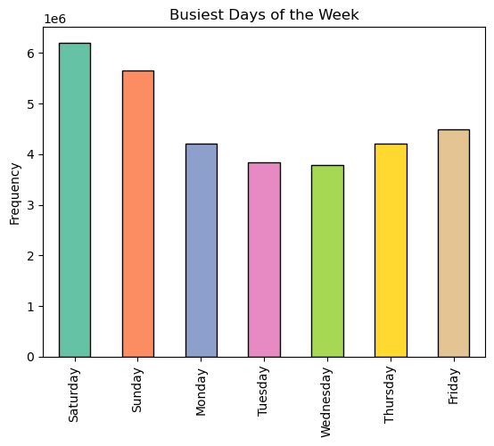

 | Busiest days of the week = Friday, Saturday, & Sunday

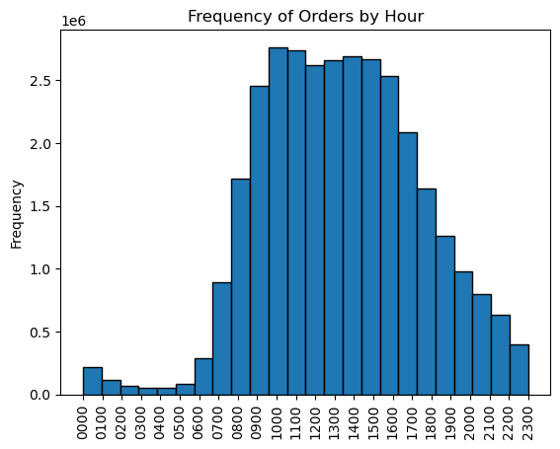

 | Busiest hours of the day: 9am - 4pm

2. At what time of the day do people spend the most money?

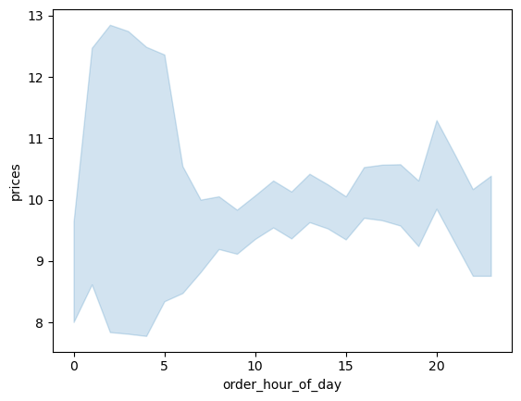
 | Although customers have a tendency to purchase items at a wide range of prices in the early hours of
 | of the morning, generally speaking they tend to spend the most money around 8pm

3. Reduce the wide range of prices to a short list of price groupings.

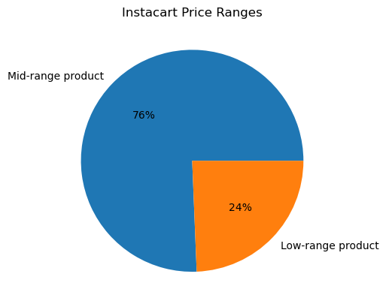
 | Low-range products: < $5.00
 | $5.00 < Mid-range products <= $15.00
 | High-range products = >$15.00

4. Are there certain types of products that are more popular than others?
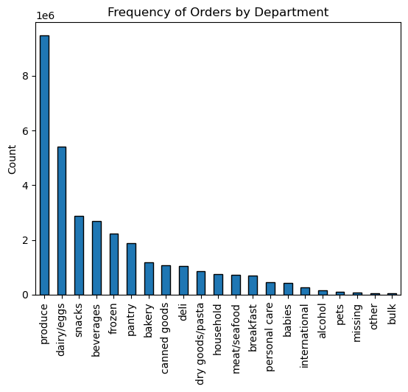

 | Top 3 product types: produce, dairy/eggs, and snacks

5. Are there differences in ordering habits based on a customer’s loyalty status?

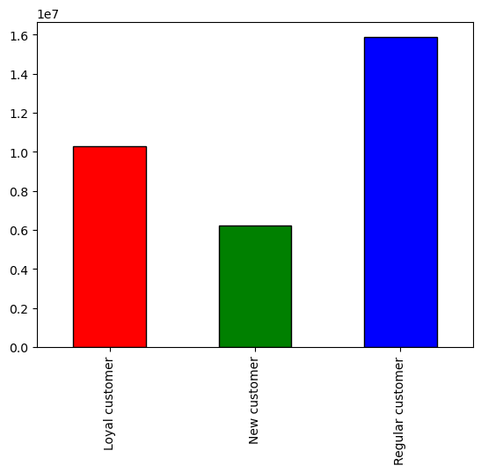

 | Customers were divided into 3 categories according to their frequency with which they shopped at Instacart.
 | "Loyal" customers have fewer days between orders than "Regular" customers.

6. Are there differences in ordering habits based on a customer’s region?

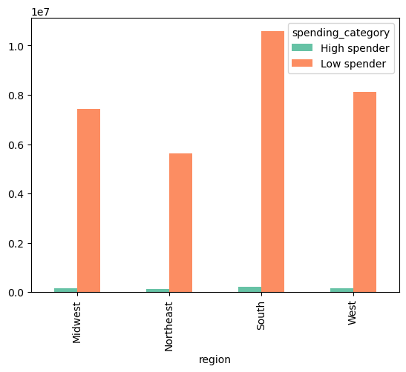
 | All regions have similarly low numbers of high spenders, but vary in the amount of low spenders (may be a function of population size)

7. Is there a connection between age and family status in terms of ordering habits?

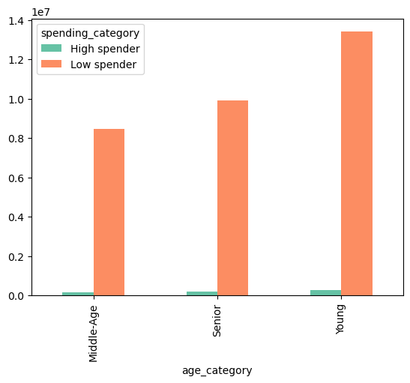

 | AGE AND ORDERING HABITS

 | All age categories have few high spenders
 | Middle age customers have the fewest low spenders
 | Young customers have the most low spenders

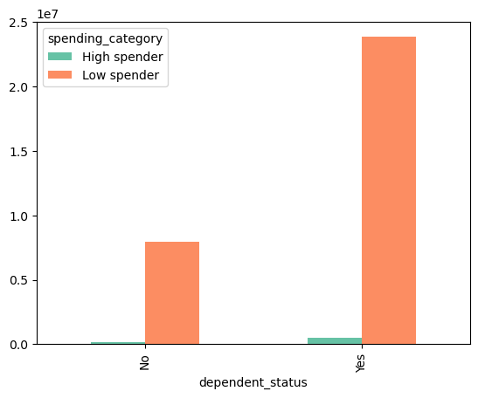

 | FAMILY STATUS AND ORDERING HABITS

 | Families with dependents tend to order from Instacart at a higher rate than those without dependents

8. What different classifications does the demographic information suggest? Age? Income? Certain types of goods? Family status?

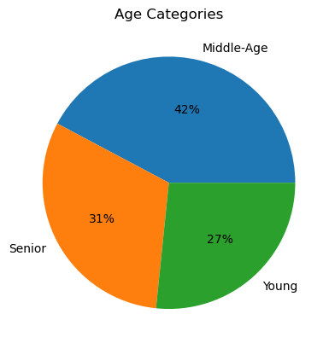

 | Middle-age customers (between 35 and 62) are Instacart's largest age-related demographic

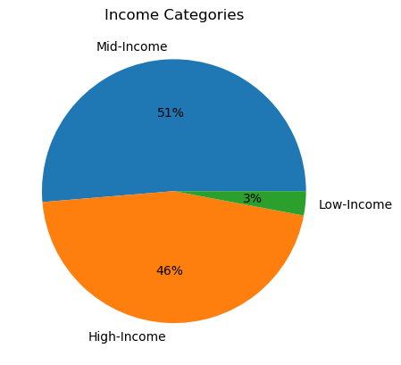

 | Middle-income customers (between 35,000 and 100,000 per year) are the largest income related demographic, with high income
 | customers (greater than 100,000) in a close second (only 5% less)

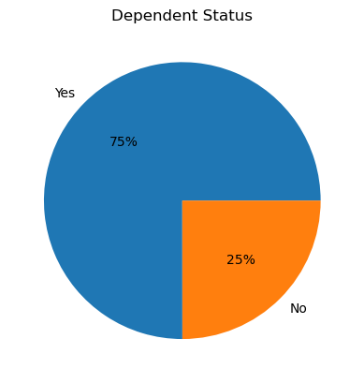

 | 75% of Instacart customers have families (at least 1 dependent)

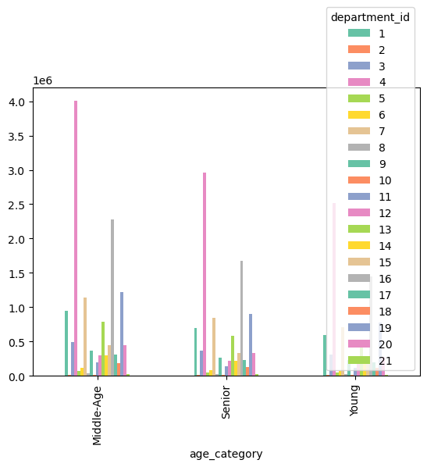

 |  | Across all age groups, the three categories of goods that sell the most are (a) produce, (b) dairy/eggs, and (c) snacks.

9. What differences can you find in ordering habits of different customer profiles?
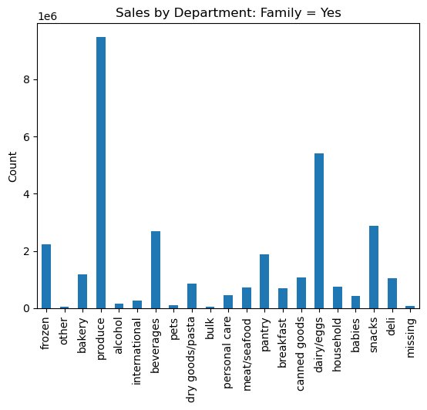


 |  |  |  | No significant difference in ordering habits between customers with
 |  |  |  | families and customers without families (in terms of preferred goods).

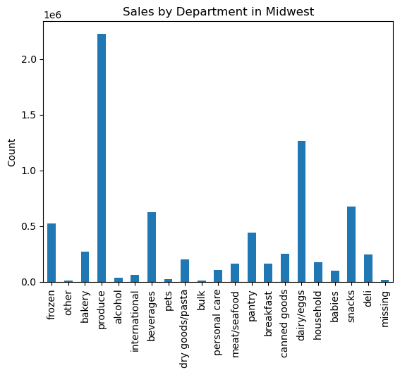
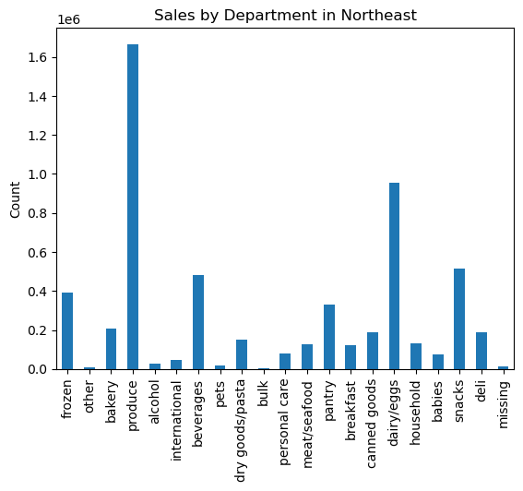



 |  |  |  |  | Ordering habits follow the same pattern regardless of region. The only
 |  |  |  |  | significant differences are related to volume of orders due to population
 |  |  |  |  | size.

7. Recommendations
 |  |  | Title page

Recommendations

In this tab you should include any recommendations you would made to Instcart in terms of their marketing strategy based on the questions posed in the brief. Every key question has been covered in the Tasks of the Exercises - here you need to add an item - a visualisation or table/crosstable that is showing the answer in the data, acompanied by a comment from you. Please, list the questions below and add the answer underneath.

Question 1
The sales team needs to know what business days of the week and hours of the day are in order to schedule ads at times when there are fewer orders.

Answer
Busiest days of the week: Friday - Sunday

Busiest hours of the day: 9am - 4pm

Recommendation
Consider running ads on Tuesdays and Wednesdays after 3pm

Question 2
The sales team wants to know whether there are particular times of the day when people spend the most money, as this might inform the type of products they advertise at these times.

Answer
Although customers have a tendency to purchase items at a wide range of prices in the early hours of of the morning, generally speaking they tend to spend the most money around 8pm

Recommendation
Consider running ads in the hours leading up to 8pm

Question 3
Instacart has a lot of products with different price tags. Marketing and sales want to use simpler price range groupings to help direct their efforts.

Answer
Low-range products: < $5.00

$5.00 < Mid-range products <= $15.00

High-range products = >$15.00

Question 4
Are there certain types of products that are more popular than others? The marketing and sales teams want to know which departments have the highest frequency of product orders.

Answer
Top 3 product types: produce, dairy/eggs, and snacks

Question 5
What is the distribution among users in regards to their brand loyalty (i.e., how often do they return to Instacart)?

Answer
Customers were divided into 3 categories according to the frequency with which they shopped at Instacart. "Loyal" customers have fewer days between orders than "Regular" customers.

Recommendation
Consider offering benefits (such as a rewards program) to customers to encourage more frequent ordering. Instacart's most loyal customers return with considerably greater frequency - they should be rewarded, and less loyal customers should be incentivized to return more frequently.

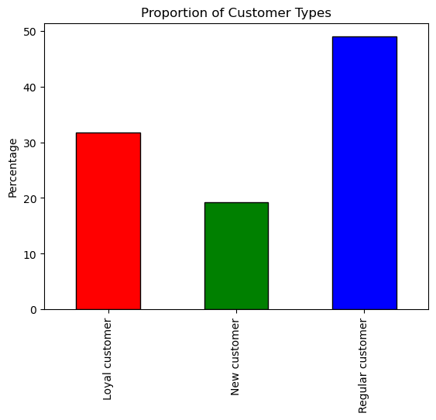

Question 6
Are there differences in ordering habits based on a customer's region?

Answer
All regions have similarly low numbers of high spenders, but vary in the amount of low spenders (may be a function of population size)

Recommendation
Given the consistency among regions, no actions need to be taken other than to continue monitoring for the development of regional trends.

Question 7
Is there a connection between age and family status in terms of ordering habits?

Answer
All age categories have few high spenders

Middle age customers have the fewest low spenders

Young customers have the most low spenders

Families with dependents tend to order from Instacart at a higher rate than those without dependents

Recommendation
Specific marketing efforts should be directed at families with dependents as they order from Instacart at a higher rate. Promotions related to specific item categories could be offered, such as bulk items and items for babies.

 | AGE AND ORDERING HABITS | FAMILY STATUS AND ORDERING HABITS

Question 8
What different classifications does the demographic information suggest? Age? Income? Certain types of goods? Family status?

Answer
Middle-age customers (between 35 and 62) are Instacart's largest age-related demographic

Middle-income customers (between 35,000 and 100,000 per year) are the largest income related demographic, with high income customers (greater than 100,000) in a close second (only 5% less)

75% of Instacart customers have families (at least 1 dependent)

Across all age groups, the three categories of goods that sell the most are (a) produce, (b) dairy/eggs, and (c) snacks.

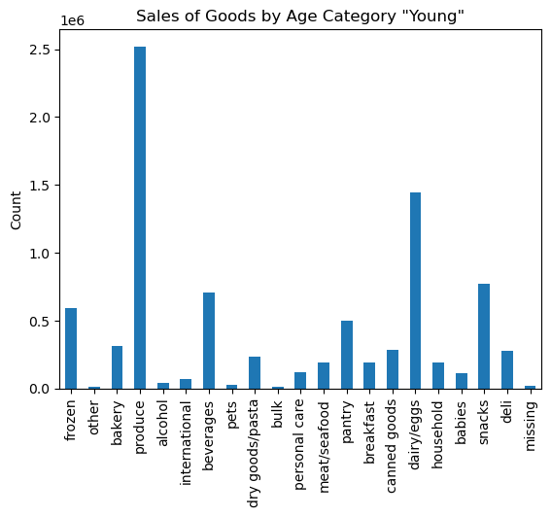
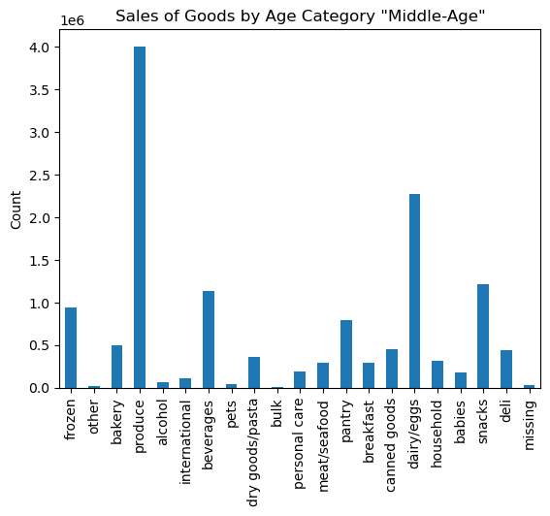


Question 9
What differences can you find in ordering habits of different customer profiles? Consider the price of orders, the frequency of orders, the products customers are ordering, and anything else you can think of.

Answer
No significant difference in ordering habits between customers with families and customers without families (in terms of preferred goods).
Ordering habits follow the same pattern regardless of region. The only significant differences are related to volume of orders due to population size.

Recommendation
The same item categories are equally popular across all regions. Produce is the most popular. The quality of produce varies considerably among grocery stores. This presents an opportunity for Instacart to distinguish itself as a provider of high quality produce. Produce could be sourced locally, and organic and non GMO options should be offered. Similar strategies could be implemented for other popular item categories, such as with meat, dairy, eggs, etc.

